Sheet1
Massage Therapy Bid
Building Costs
Construction
Location | Cost
Inside | $10,000.00
Outside | $5,000.00
Lot 1 | $2,000.00
Lot 2 | $2,000.00
Total Cost of Construction |  | $19,000.00
Monthly Fees
Type | Cost Per Month
Building INS | $100.00
Rent | $50.00
Total Cost of Fees Per Month |  | $150.00
Total Cost of Fees Per Year |  | $1,800.00
Supplies
Products
Item | Amount (Gallons) | Quantity Per Shipment | Num Shipment Per Month | Cost Per Amount | Total Cost of Item Per Month
Body Scrub | 0.5 | 10 | 2 | $10.00 | $100.00
Body Lotion | 1 | 20 | 2 | $12.00 | $480.00
Body Wax | 2 | 20 | 3 | $20.00 | $2,400.00
Face Scrub | 0.5 | 10 | 3 | $10.00 | $150.00
Face Lotion | 1 | 10 | 2 | $5.00 | $100.00
Face Wax | 1.5 | 15 | 2 | $15.00 | $675.00
Body Oil | 2 | 25 | 4 | $5.00 | $1,000.00
Face Mask | 1 | 10 | 2 | $10.00 | $200.00
Charcoal Detox | 0.5 | 25 | 3 | $15.00 | $562.50
Mud Mask | 1 | 15 | 3 | $12.00 | $540.00
Seaweed | 1 | 10 | 2 | $10.00 | $200.00
Bath Salts | 1 | 10 | 2 | $5.00 | $100.00
Essential Oils | 0.25 | 10 | 3 | $15.00 | $112.50
Body Mist | 2 | 20 | 4 | $10.00 | $1,600.00
Hot Stones | 2 | 5 | 2 | $25.00 | $500.00
Exfoliating Lotion | 2 | 15 | 2 | $10.50 | $630.00
Cleansing Solution | 3 | 30 | 4 | $15.00 | $5,400.00
 |  |  | Total Cost of Products Per Month |  | $14,750.00
 |  |  | Average Total Cost of Products Per Year |  | $177,000.00
Tools
Item | Amount | Quantity Per Shipment | Num Shipment Per Month | Cost Per Amount | Total Cost of Item Per Month
Full Towels | 1 | 100 | 2 | $10.00 | $2,000.00
Small Towels | 1 | 200 | 2 | $5.00 | $2,000.00
Cloths | 1 | 300 | 2 | $2.50 | $1,500.00
Head Wraps | 1 | 100 | 1 | $5.00 | $500.00
Slippers | 1 | 200 | 1 | $10.00 | $2,000.00
Robes | 1 | 200 | 1 | $25.00 | $5,000.00
 |  |  | Total Cost of Tools Per Month |  | $13,000.00
 |  |  | Average Total Cost of Tools Per Year |  | $156,000.00
Employees
Title | Num of Title Holders | Hourly Wage | Average Num of Hours Per Week | `Weekly Earnings Per Employee | Total Weekly Earning Per TItle
MT | 10 | $50.00 | 25 | $1,250.00 | $12,500.00
Prep | 5 | $10.00 | 40 | $400.00 | $2,000.00
Cleaner | 3 | $20.00 | 20 | $400.00 | $1,200.00
Front Desk | 2 | $10.00 | 40 | $400.00 | $800.00
Host | 1 | $10.00 | 40 | $400.00 | $400.00
Accountant | 2 | $25.00 | 15 | $375.00 | $750.00
CEO | 1 | $100.00 | 40 | $4,000.00 | $4,000.00
 |  |  | Average Total Sum of Employee Earnings Per Week |  | $21,650.00
 |  |  | Average Total Sum of Employee Earnings Per Year |  | $1,125,800.00
Services
Massage
Type | Rate Per Type | Supply Fee | Average Cost Per Type | Number of Type Per Week | Average Income Per Type Per Week
Leg | $50.00 | $20.00 | $70.00 | 50 | $3,500.00
Arm | $25.00 | $10.00 | $35.00 | 50 | $1,750.00
Temple | $35.00 | $15.00 | $50.00 | 60 | $3,000.00
Neck | $50.00 | $20.00 | $70.00 | 60 | $4,200.00
Back | $100.00 | $40.00 | $140.00 | 60 | $8,400.00
Half | $160.00 | $80.00 | $240.00 | 30 | $7,200.00
Full | $425.00 | $100.00 | $525.00 | 40 | $21,000.00
 |  |  | Average Massage Income Per Week |  | $49,050.00
Extras |  |  | Average Massage Income Per Year |  | $2,550,600.00
Type | Rate Per Type | Supply Fee | Average Cost Per Type | Number of Type Per Week | Average Income Per Type Per Week
Facial | $50.00 | $20.00 | $70.00 | 50 | $3,500.00
Body Detox | $200.00 | $100.00 | $300.00 | 50 | $15,000.00
Deluxe Treatment | $400.00 | $200.00 | $600.00 | 50 | $30,000.00
 |  |  | Average Extra Income Per Week |  | $2,669,150.00
 |  |  | Average Extra Income Per Year |  | $138,795,800.00
 |  |  | Average Service Income Per Year |  | $141,346,400.00
Initial Starting Debt (First Year)
Building Costs
 | Total | $20,800.00
Supply Cost
 | Total | $333,000.00
Employee Salary
 | Total | $1,125,800.00
 | First Year Total | $1,479,600.00
 | First Year Income | $141,346,400.00
 | First Year Profit (before taxes) | $139,866,800.00
 | Profit Xander Will Get If He Gives This Project An A |  | $1,000,000,000

Projected Profit For First Ten Years (before taxes)
Debt
 |  | $14,625,000.00
Income
 |  | $1,413,464,000.00
 | Total | $1,398,839,000.00








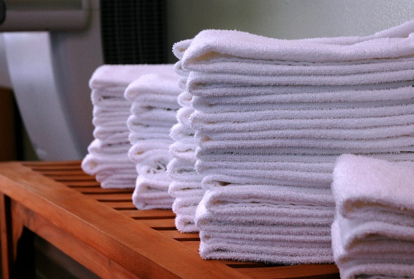

Sarah Nelson

