FDA Nutrition Food Label
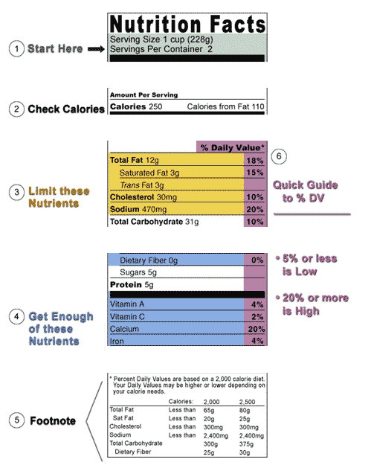
https://www.fda.gov/food/nutrition-education-resources-and-materials/how-understand-and-use-nutrition-facts-label

 | Constrain | Min | Max | Unit | FDA Target (Daily Value) | Calculated Calories | Cal/g
Calories (Energy) | Target |  | 2000 | kCal |  | 1985 |  | Adult Male

Total Fat | Minimize | 0 | 65 | g | 65 | 585 | 9 | Label
Saturated Fat | Minimize | 0 | 20 | g
Trans Fat | Minimize | 0 | 0
Cholesterol | Minimize | 0 | 300 | mg
Sodium | Minimize | 0 | 2400 | mg
Total Carbohydrate |  | 0 |  | g | 300 | 1200 | 4 | https://www.accessdata.fda.gov/scripts/interactivenutritionfactslabel/carbohydrate.html
Dietary Fiber |  | 0 | 25 | g
Sugars
Protein |  |  |  | g | 50 | 200 | 4 | https://www.accessdata.fda.gov/scripts/interactivenutritionfactslabel/protein.html
Vitamin A | Get Enough | 5000 | 10000 | IU |  |  |  | https://ods.od.nih.gov/factsheets/VitaminA-Consumer/
Vitamin C | Get Enough | 90 | 2000 | mg |  |  |  | https://ods.od.nih.gov/factsheets/VitaminC-Consumer/
Calcium | Get Enough | 1000 | 2500 | mg |  |  |  | https://ods.od.nih.gov/factsheets/Calcium-Consumer/
Iron | Get Enough | 8 | 45 | mg |  |  |  | https://ods.od.nih.gov/factsheets/Iron-Consumer/

